Application Screen
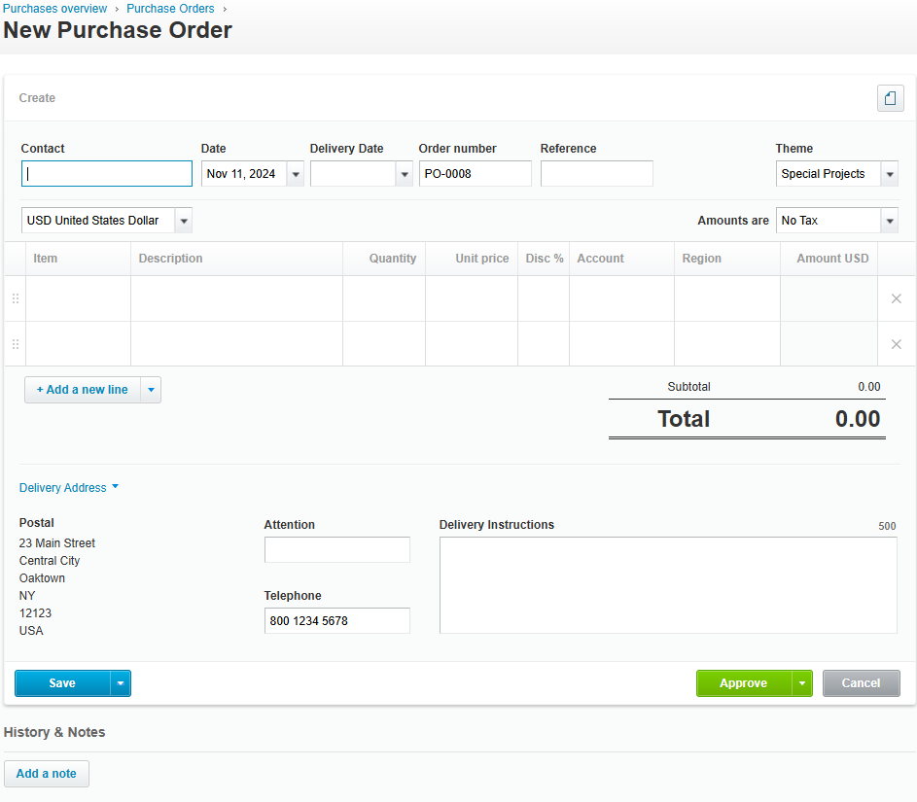

Test Case 20
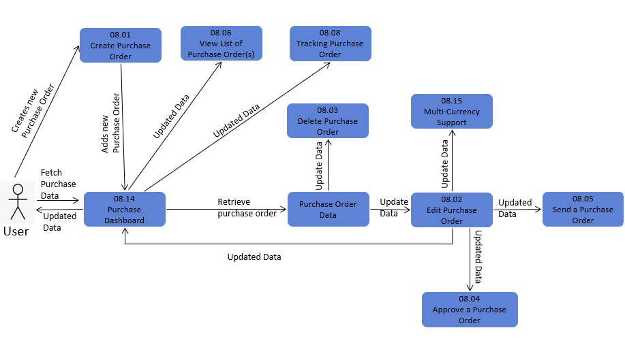
TC Title: | TC20. Create Purchase Order - Data Flow-Out Testing

TC Objective: | The objective of this test case is to assess the integration and data coherence of purchase order creation within the broader ecosystem of the application, particularly examining how data generated during purchase order creation interacts with and affects other core functionalities such as editing and deleting purchase orders.

TC Description
 | Step | Step Description | Expected Results
 | 1 | Create a purchase order. | Purchase order should be created succesfully.
 | 2 | Attempt to edit the created purchase order. | The purchase order should be editable, and changes can be made successfully.
 | 3 | The changes made to the purchase order are reflected in other features, such as reports or inventory management. | Changes made to the purchase order should be accurately reflected in other core features of the application.
 | 4 | Attempt to delete the created purchase order. | The purchase order should be deletable, and the deletion process should be completed successfully.
 | 5 | Deletion of the purchase order does not impact related data or functionalities. | Deleting the purchase order should not cause any unexpected behavior or data loss in related features of the application.

